Item (1)
HOBBY LOBBY STORES, INC.
7707 SW 44TH STREET, OKLAHOMA CITY, OK 73179
Buyer or Department: |  |  |  |  | Purchase Order #:
Vendor Name: | FUZHOU YUNFEI HOME DECOR CO.,LTD |  |  |  | Date Submitted: | 2015-03-27
Contact Person: | Sarah Ou |  |  |  | Contact Email: | sarah@yunfei.com.cn
Vendor Address 1 | NIUTOUSHAN INDUSTRIAL ZONE,HONGWEI,MINHOU,FUZHOU,FUJIAN,CHINA |  |  |  | Alternate Email: | lyonyunfei@vip.163.com
Vendor Address 2 |  |  |  |  | Vendor Phone #: | 0086-591-62099910
Vendor Address 3 |  |  |  |  | Vendor Fax #: | 0086-591-22976113
Vendor Address 4 |  |  |  |  | Country of Origin: | T/T
Vendor Item Number: | 15A5026 |  |  |  | Shipping Port: | Fuzhou
Hobby Lobby Item Number: |  |  |  |  | Invoice Terms: | China
Material Content By %: | PU30%，MDF15%,MIRROR55% |  |  |  | Wood Types : | MDF
Item Description: | Wood Framed wall mirror |  |  |  | Case Weight (in lbs) | 25.00lbs | Item Weight (in lbs) | 11.66lbs
Color: | white |  |  |  | Minimum Order Qty: | 500
Assortment or Set or Each: | EA |  |  |  | Packaging: | Bubble bag+Styrofoam+Carton
Case Pack Dimensions (Inches): | 48.03 | 6.10 | 17.52 | Length / Width / Height | Lead Time: | 60Days
Inner Pack Dimensions (Inches): | 0.00 | 0.00 | 0.00 | Length / Width / Height | K/D Packing? | No | Wood packing material? | No
Item Dimensions (Inches): | 44.00 | 13.00 | 2.00 | Length / Width / Height | Sending Sample? | Quotation Only

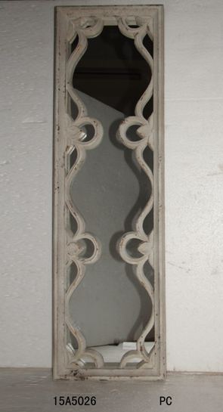
D/C/S:
Order Quantity:
*First Cost: (US$) / unit | $23.000 |  | /EA
Calc. Freight: | 4.084
Duty:
Landed Cost: | 27.084
Retail:
Margin: | 0.00%
Minimum Pull:
Inner-Inner Pack: | 0
*Inner Pack: | 0
*Case Pack: | 2
*Cubic Feet: | 2.97
Freight Rate: | $2.75
0
0

Item (2)
HOBBY LOBBY STORES, INC.
7707 SW 44TH STREET, OKLAHOMA CITY, OK 73179
Buyer or Department: |  |  |  |  | Purchase Order #:
Vendor Name: | FUZHOU YUNFEI HOME DECOR CO.,LTD |  |  |  | Date Submitted: | 2015-03-27
Contact Person: | Sarah Ou |  |  |  | Contact Email: | sarah@yunfei.com.cn
Vendor Address 1 | NIUTOUSHAN INDUSTRIAL ZONE,HONGWEI,MINHOU,FUZHOU,FUJIAN,CHINA |  |  |  | Alternate Email: | lyonyunfei@vip.163.com
Vendor Address 2 | 0 |  |  |  | Vendor Phone #: | 0086-591-62099910
Vendor Address 3 | 0 |  |  |  | Vendor Fax #: | 0086-591-22976113
Vendor Address 4 | 0 |  |  |  | Country of Origin: | T/T
Vendor Item Number: | 15A5330 |  |  |  | Shipping Port: | Fuzhou
Hobby Lobby Item Number: |  |  |  |  | Invoice Terms: | China
Material Content By %: | PU30%，MDF15%,MIRROR55% |  |  |  | Wood Types : | MDF
Item Description: | Wood Framed wall mirror |  |  |  | Case Weight (in lbs) | 26.00lbs | Item Weight (in lbs) | 12.10lbs
Color: | Blue |  |  |  | Minimum Order Qty: | 500
Assortment or Set or Each: | EA |  |  |  | Packaging: | Bubble bag+Styrofoam+Carton
Case Pack Dimensions (Inches): | 47.64 | 6.50 | 17.13 | Length / Width / Height | Lead Time: | 60Days
Inner Pack Dimensions (Inches): | 0.00 | 0.00 | 0.00 | Length / Width / Height | K/D Packing? | No | Wood packing material? | No
Item Dimensions (Inches): | 44.00 | 13.00 | 2.00 | Length / Width / Height | Sending Sample? | Quotation Only

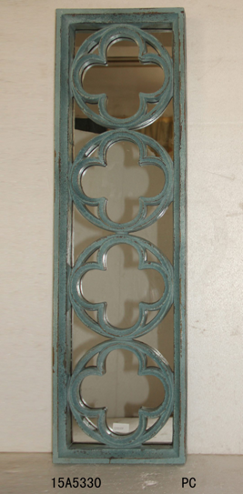
D/C/S:
Order Quantity:
*First Cost: (US$) / unit | $23.000 |  | /EA
Calc. Freight: | 4.221
Duty:
Landed Cost: | 27.221
Retail:
Margin: | 0.00%
Minimum Pull:
Inner-Inner Pack: | 0
*Inner Pack: | 0
*Case Pack: | 2
*Cubic Feet: | 3.07
Freight Rate: | $2.75
0
0

Item (3)
HOBBY LOBBY STORES, INC.
7707 SW 44TH STREET, OKLAHOMA CITY, OK 73179
Buyer or Department: |  |  |  |  | Purchase Order #:
Vendor Name: | FUZHOU YUNFEI HOME DECOR CO.,LTD |  |  |  | Date Submitted: | 2015-03-27
Contact Person: | Sarah Ou |  |  |  | Contact Email: | sarah@yunfei.com.cn
Vendor Address 1 | NIUTOUSHAN INDUSTRIAL ZONE,HONGWEI,MINHOU,FUZHOU,FUJIAN,CHINA |  |  |  | Alternate Email: | lyonyunfei@vip.163.com
Vendor Address 2 | 0 |  |  |  | Vendor Phone #: | 0086-591-62099910
Vendor Address 3 | 0 |  |  |  | Vendor Fax #: | 0086-591-22976113
Vendor Address 4 | 0 |  |  |  | Country of Origin: | T/T
Vendor Item Number: | 15A5329 |  |  |  | Shipping Port: | Fuzhou
Hobby Lobby Item Number: |  |  |  |  | Invoice Terms: | China
Material Content By %: | PU30%，MDF15%,MIRROR55% |  |  |  | Wood Types : | MDF
Item Description: | Wood Framed wall mirror |  |  |  | Case Weight (in lbs) | 26.00lbs | Item Weight (in lbs) | 12.10lbs
Color: | white |  |  |  | Minimum Order Qty: | 500
Assortment or Set or Each: | EA |  |  |  | Packaging: | Bubble bag+Styrofoam+Carton
Case Pack Dimensions (Inches): | 47.64 | 6.50 | 17.13 | Length / Width / Height | Lead Time: | 60Days
Inner Pack Dimensions (Inches): | 0.00 | 0.00 | 0.00 | Length / Width / Height | K/D Packing? | No | Wood packing material? | No
Item Dimensions (Inches): | 44.00 | 13.00 | 2.00 | Length / Width / Height | Sending Sample? | Quotation Only
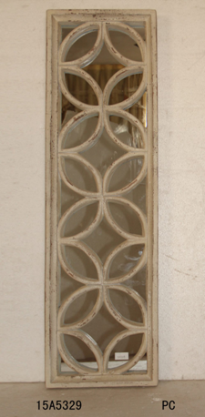
D/C/S:
Order Quantity:
*First Cost: (US$) / unit | $23.000 |  | /EA
Calc. Freight: | 4.221
Duty:
Landed Cost: | 27.221
Retail:
Margin: | 0.00%
Minimum Pull:
Inner-Inner Pack: | 0
*Inner Pack: | 0
*Case Pack: | 2
*Cubic Feet: | 3.07
Freight Rate: | $2.75
0
0

Item (4)
HOBBY LOBBY STORES, INC.
7707 SW 44TH STREET, OKLAHOMA CITY, OK 73179
Buyer or Department: |  |  |  |  | Purchase Order #:
Vendor Name: | FUZHOU YUNFEI HOME DECOR CO.,LTD |  |  |  | Date Submitted: | 2015-03-27
Contact Person: | Sarah Ou |  |  |  | Contact Email: | sarah@yunfei.com.cn
Vendor Address 1 | NIUTOUSHAN INDUSTRIAL ZONE,HONGWEI,MINHOU,FUZHOU,FUJIAN,CHINA |  |  |  | Alternate Email: | lyonyunfei@vip.163.com
Vendor Address 2 | 0 |  |  |  | Vendor Phone #: | 0086-591-62099910
Vendor Address 3 | 0 |  |  |  | Vendor Fax #: | 0086-591-22976113
Vendor Address 4 | 0 |  |  |  | Country of Origin: | T/T
Vendor Item Number: | 15A5931 |  |  |  | Shipping Port: | Fuzhou
Hobby Lobby Item Number: |  |  |  |  | Invoice Terms: | China
Material Content By %: | PU15%,MDF30%,MIRROR55% |  |  |  | Wood Types : | MDF
Item Description: | Wood Framed wall mirror |  |  |  | Case Weight (in lbs) | 21.00lbs | Item Weight (in lbs) | 9.35lbs
Color: | Gold |  |  |  | Minimum Order Qty: | 500
Assortment or Set or Each: | EA |  |  |  | Packaging: | Bubble bag+Styrofoam+Carton
Case Pack Dimensions (Inches): | 35.04 | 6.89 | 25.79 | Length / Width / Height | Lead Time: | 60Days
Inner Pack Dimensions (Inches): | 0.00 | 0.00 | 0.00 | Length / Width / Height | K/D Packing? | No | Wood packing material? | No
Item Dimensions (Inches): | 21.00 | 31.00 | 2.00 | Length / Width / Height | Sending Sample? | Quotation Only

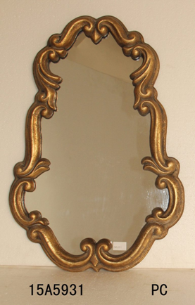
D/C/S:
Order Quantity:
*First Cost: (US$) / unit | $21.000 |  | /EA
Calc. Freight: | 4.954
Duty:
Landed Cost: | 25.954
Retail:
Margin: | 0.00%
Minimum Pull:
Inner-Inner Pack: | 0
*Inner Pack: | 0
*Case Pack: | 2
*Cubic Feet: | 3.60
Freight Rate: | $2.75
0
0

Item (5)
HOBBY LOBBY STORES, INC.
7707 SW 44TH STREET, OKLAHOMA CITY, OK 73179
Buyer or Department: |  |  |  |  | Purchase Order #:
Vendor Name: | FUZHOU YUNFEI HOME DECOR CO.,LTD |  |  |  | Date Submitted: | 2015-03-27
Contact Person: | Sarah Ou |  |  |  | Contact Email: | sarah@yunfei.com.cn
Vendor Address 1 | NIUTOUSHAN INDUSTRIAL ZONE,HONGWEI,MINHOU,FUZHOU,FUJIAN,CHINA |  |  |  | Alternate Email: | lyonyunfei@vip.163.com
Vendor Address 2 | 0 |  |  |  | Vendor Phone #: | 0086-591-62099910
Vendor Address 3 | 0 |  |  |  | Vendor Fax #: | 0086-591-22976113
Vendor Address 4 | 0 |  |  |  | Country of Origin: | T/T
Vendor Item Number: | 15A5749 |  |  |  | Shipping Port: | Fuzhou
Hobby Lobby Item Number: |  |  |  |  | Invoice Terms: | China
Material Content By %: | MDF65%,MIRROR35% |  |  |  | Wood Types : | MDF
Item Description: | Wood Framed wall mirror |  |  |  | Case Weight (in lbs) | 18.00lbs | Item Weight (in lbs) | 4.07lbs
Color: | Gold |  |  |  | Minimum Order Qty: | 500
Assortment or Set or Each: | EA |  |  |  | Packaging: | Bubble bag+Styrofoam+Carton
Case Pack Dimensions (Inches): | 22.45 | 6.89 | 23.03 | Length / Width / Height | Lead Time: | 60Days
Inner Pack Dimensions (Inches): | 0.00 | 0.00 | 0.00 | Length / Width / Height | K/D Packing? | No | Wood packing material? | No
Item Dimensions (Inches): | 18.50 | 18.50 | 1.00 | Length / Width / Height | Sending Sample? | Quotation Only

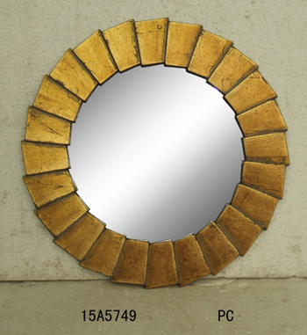
D/C/S:
Order Quantity:
*First Cost: (US$) / unit | $8.650 |  | /EA
Calc. Freight: | 1.417
Duty:
Landed Cost: | 10.067
Retail:
Margin: | 0.00%
Minimum Pull:
Inner-Inner Pack: | 0
*Inner Pack: | 0
*Case Pack: | 4
*Cubic Feet: | 2.06
Freight Rate: | $2.75
0
0

Item (6)
HOBBY LOBBY STORES, INC.
7707 SW 44TH STREET, OKLAHOMA CITY, OK 73179
Buyer or Department: |  |  |  |  | Purchase Order #:
Vendor Name: | FUZHOU YUNFEI HOME DECOR CO.,LTD |  |  |  | Date Submitted: | 2015-03-27
Contact Person: | Sarah Ou |  |  |  | Contact Email: | sarah@yunfei.com.cn
Vendor Address 1 | NIUTOUSHAN INDUSTRIAL ZONE,HONGWEI,MINHOU,FUZHOU,FUJIAN,CHINA |  |  |  | Alternate Email: | lyonyunfei@vip.163.com
Vendor Address 2 | 0 |  |  |  | Vendor Phone #: | 0086-591-62099910
Vendor Address 3 | 0 |  |  |  | Vendor Fax #: | 0086-591-22976113
Vendor Address 4 | 0 |  |  |  | Country of Origin: | T/T
Vendor Item Number: | 15A5934 |  |  |  | Shipping Port: | Fuzhou
Hobby Lobby Item Number: |  |  |  |  | Invoice Terms: | China
Material Content By %: | MDF30%,RESIN15%,MIRROR55% |  |  |  | Wood Types : | MDF
Item Description: | Wood Framed wall mirror |  |  |  | Case Weight (in lbs) | 30.50lbs | Item Weight (in lbs) | 14.30lbs
Color: | Gold |  |  |  | Minimum Order Qty: | 500
Assortment or Set or Each: | EA |  |  |  | Packaging: | Bubble bag+Styrofoam+Carton
Case Pack Dimensions (Inches): | 40.00 | 5.12 | 28.54 | Length / Width / Height | Lead Time: | 60Days
Inner Pack Dimensions (Inches): | 0.00 | 0.00 | 0.00 | Length / Width / Height | K/D Packing? | No | Wood packing material? | No
Item Dimensions (Inches): | 24.00 | 36.00 | 1.00 | Length / Width / Height | Sending Sample? | Quotation Only

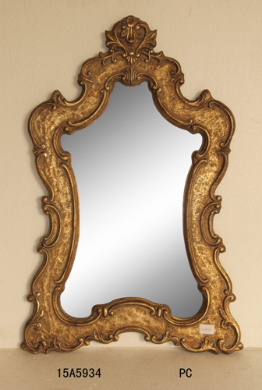
D/C/S:
Order Quantity:
*First Cost: (US$) / unit | $24.500 |  | /EA
Calc. Freight: | 4.651
Duty:
Landed Cost: | 29.151
Retail:
Margin: | 0.00%
Minimum Pull:
Inner-Inner Pack: | 0
*Inner Pack: | 0
*Case Pack: | 2
*Cubic Feet: | 3.38
Freight Rate: | $2.75
0
0

Item (7)
HOBBY LOBBY STORES, INC.
7707 SW 44TH STREET, OKLAHOMA CITY, OK 73179
Buyer or Department: |  |  |  |  | Purchase Order #:
Vendor Name: | FUZHOU YUNFEI HOME DECOR CO.,LTD |  |  |  | Date Submitted: | 2015-03-27
Contact Person: | Sarah Ou |  |  |  | Contact Email: | sarah@yunfei.com.cn
Vendor Address 1 | NIUTOUSHAN INDUSTRIAL ZONE,HONGWEI,MINHOU,FUZHOU,FUJIAN,CHINA |  |  |  | Alternate Email: | lyonyunfei@vip.163.com
Vendor Address 2 | 0 |  |  |  | Vendor Phone #: | 0086-591-62099910
Vendor Address 3 | 0 |  |  |  | Vendor Fax #: | 0086-591-22976113
Vendor Address 4 | 0 |  |  |  | Country of Origin: | T/T
Vendor Item Number: | 15A5620 |  |  |  | Shipping Port: | Fuzhou
Hobby Lobby Item Number: |  |  |  |  | Invoice Terms: | China
Material Content By %: | MDF40%,RESIN3%,MIRROR55% |  |  |  | Wood Types : | MDF
Item Description: | Wood Framed wall mirror |  |  |  | Case Weight (in lbs) | 23.50lbs | Item Weight (in lbs) | 21.34lbs
Color: | Gold |  |  |  | Minimum Order Qty: | 500
Assortment or Set or Each: | EA |  |  |  | Packaging: | Bubble bag+Styrofoam+Carton
Case Pack Dimensions (Inches): | 39.57 | 4.53 | 32.68 | Length / Width / Height | Lead Time: | 60Days
Inner Pack Dimensions (Inches): | 0.00 | 0.00 | 0.00 | Length / Width / Height | K/D Packing? | No | Wood packing material? | No
Item Dimensions (Inches): | 27.37 | 34.75 | 2.25 | Length / Width / Height | Sending Sample? | Quotation Only


D/C/S:
Order Quantity:
*First Cost: (US$) / unit | $34.500 |  | /EA
Calc. Freight: | 9.323
Duty:
Landed Cost: | 43.823
Retail:
Margin: | 0.00%
Minimum Pull:
Inner-Inner Pack: | 0
*Inner Pack: | 0
*Case Pack: | 1
*Cubic Feet: | 3.39
Freight Rate: | $2.75
0
0

Item (9)
HOBBY LOBBY STORES, INC.
7707 SW 44TH STREET, OKLAHOMA CITY, OK 73179
Buyer or Department: |  |  |  |  | Purchase Order #:
Vendor Name: | FUZHOU YUNFEI HOME DECOR CO.,LTD |  |  |  | Date Submitted: | 2015-03-27
Contact Person: | Sarah Ou |  |  |  | Contact Email: | sarah@yunfei.com.cn
Vendor Address 1 | NIUTOUSHAN INDUSTRIAL ZONE,HONGWEI,MINHOU,FUZHOU,FUJIAN,CHINA |  |  |  | Alternate Email: | lyonyunfei@vip.163.com
Vendor Address 2 | 0 |  |  |  | Vendor Phone #: | 0086-591-62099910
Vendor Address 3 | 0 |  |  |  | Vendor Fax #: | 0086-591-22976113
Vendor Address 4 | 0 |  |  |  | Country of Origin: | T/T
Vendor Item Number: | 15A5857 |  |  |  | Shipping Port: | Fuzhou
Hobby Lobby Item Number: |  |  |  |  | Invoice Terms: | China
Material Content By %: | RESIN100% |  |  |  | Wood Types : | MDF
Item Description: | Wall décor |  |  |  | Case Weight (in lbs) | 7.00lbs | Item Weight (in lbs) | 2.42lbs
Color: | Grey |  |  |  | Minimum Order Qty: | 500
Assortment or Set or Each: | EA |  |  |  | Packaging: | Bubble bag+Styrofoam+Carton
Case Pack Dimensions (Inches): | 21.65 | 7.09 | 17.91 | Length / Width / Height | Lead Time: | 60Days
Inner Pack Dimensions (Inches): | 0.00 | 0.00 | 0.00 | Length / Width / Height | K/D Packing? | No | Wood packing material? | No
Item Dimensions (Inches): | 17.75 | 13.37 | 1.50 | Length / Width / Height | Sending Sample? | Quotation Only

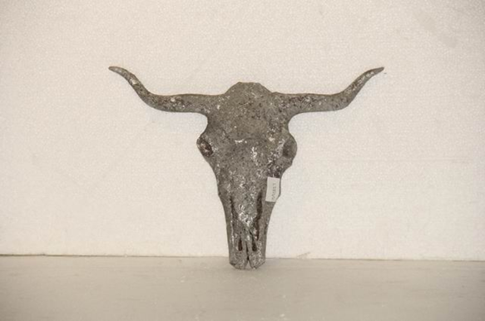
D/C/S:
Order Quantity:
*First Cost: (US$) / unit | $7.850 |  | /EA
Calc. Freight: | 2.188
Duty:
Landed Cost: | 10.038
Retail:
Margin: | 0.00%
Minimum Pull:
Inner-Inner Pack: | 0
*Inner Pack: | 0
*Case Pack: | 2
*Cubic Feet: | 1.59
Freight Rate: | $2.75
0
0

Item (10)
HOBBY LOBBY STORES, INC.
7707 SW 44TH STREET, OKLAHOMA CITY, OK 73179
Buyer or Department: |  |  |  |  | Purchase Order #:
Vendor Name: | FUZHOU YUNFEI HOME DECOR CO.,LTD |  |  |  | Date Submitted: | 2015-03-27
Contact Person: | Sarah Ou |  |  |  | Contact Email: | sarah@yunfei.com.cn
Vendor Address 1 | NIUTOUSHAN INDUSTRIAL ZONE,HONGWEI,MINHOU,FUZHOU,FUJIAN,CHINA |  |  |  | Alternate Email: | lyonyunfei@vip.163.com
Vendor Address 2 | 0 |  |  |  | Vendor Phone #: | 0086-591-62099910
Vendor Address 3 | 0 |  |  |  | Vendor Fax #: | 0086-591-22976113
Vendor Address 4 | 0 |  |  |  | Country of Origin: | T/T
Vendor Item Number: | 15A5720 |  |  |  | Shipping Port: | Fuzhou
Hobby Lobby Item Number: |  |  |  |  | Invoice Terms: | China
Material Content By %: | RESIN100% |  |  |  | Wood Types : | MDF
Item Description: | wall décor |  |  |  | Case Weight (in lbs) | 11.00lbs | Item Weight (in lbs) | 4.40lbs
Color: | Green |  |  |  | Minimum Order Qty: | 500
Assortment or Set or Each: | EA |  |  |  | Packaging: | Bubble bag+Styrofoam+Carton
Case Pack Dimensions (Inches): | 26.77 | 10.20 | 17.13 | Length / Width / Height | Lead Time: | 60Days
Inner Pack Dimensions (Inches): | 0.00 | 0.00 | 0.00 | Length / Width / Height | K/D Packing? | No | Wood packing material? | No
Item Dimensions (Inches): | 22.75 | 7.00 | 11.50 | Length / Width / Height | Sending Sample? | Quotation Only

D/C/S:
Order Quantity:
*First Cost: (US$) / unit | $11.800 |  | /EA
Calc. Freight: | 3.722
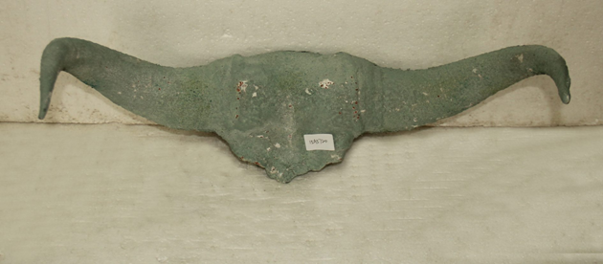
Duty:
Landed Cost: | 15.522
Retail:
Margin: | 0.00%
Minimum Pull:
Inner-Inner Pack: | 0
*Inner Pack: | 0
*Case Pack: | 2
*Cubic Feet: | 2.71
Freight Rate: | $2.75
0
0

